ED2-CD
TEAM Number -

Activity 1 |  |  | Activity - 3 : Morphological Chart |  |  |  |  |  |  | Activity 4 - Selection of means for each concepts
TEAM5 | Functions from User Perspective | Functions from Designer perspective | Serial No. | Subfunctions | Means 1 | Means 2 | Means 3 | Means 4 | Subfunctions | Concept 1 | Concept 2 | Concept 3 | Concept 4
1 | Storage | Storage | 1
2 | Collecting paper waste | Detection of the cup | 2
3 | Work efficient | Check the paper cup availability | 3
4 |  | Crush the paper cup | 4
5 |  | Detect the crushed paper cup | 5
6 |  | Release the paper cup | 6
7 |  | Collect the paper cup | 7
8 |  |  | 8
9 |  |  | 9
10 |  |  | 10
11
12
13
14
15 |  |  | Activity 2 - Function Tree (Paste Image Below)
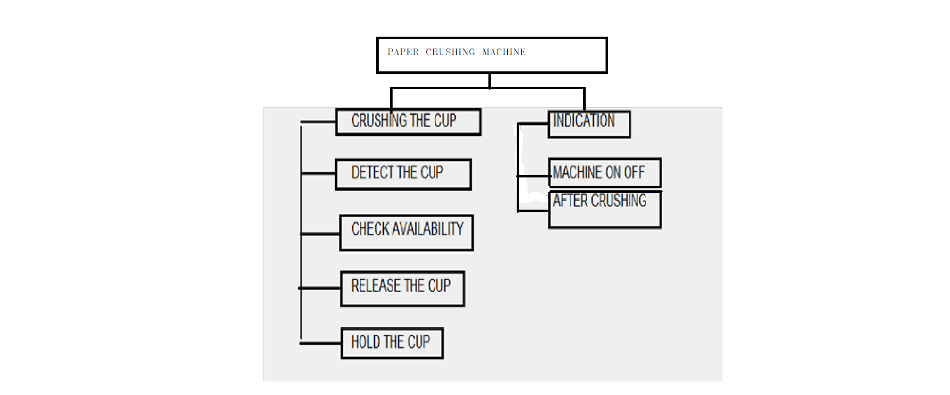
16
17
18
19

ED3-CS
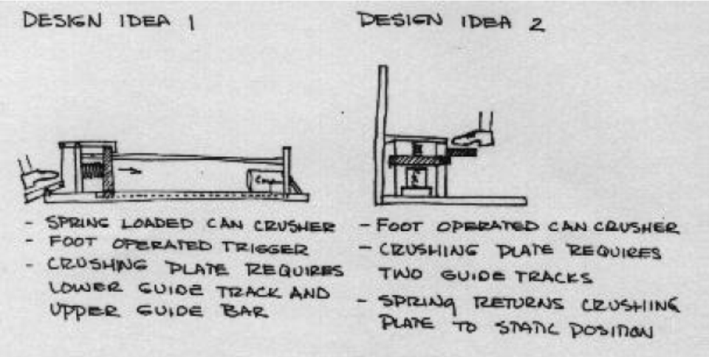
 | TEAM Number -
Time duration - 20 mins
 |  |  |  |  |  |  |  | Task 3 : Justification for the scores given
Sheet- Task 1, 2 & 3 |  |  |  |  |  |  |  | Design No. | Objective | Score Allocated | Justification for the Score
 | Task 1- Assign weights to the objectives |  |  |  |  |  |  | 1 | Safety
 |  | Objectives | Weights |  |  |  |  |  | Ease of Use
 |  | Safety |  |  |  |  |  |  | Portability
 |  | Ease of use |  |  |  |  |  |  | Use of Standard Parts
 |  | Portability |  |  |  |  |  |  | Cost
 |  | Use of standard parts |  |  |  |  |  | 2 | Safety
 |  | Cost |  |  |  |  |  |  | Ease of Use
 |  |  |  |  |  |  |  |  | Portability
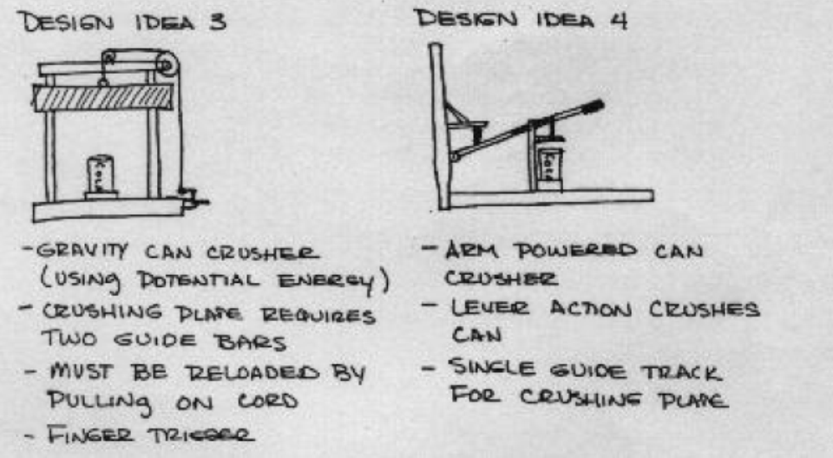
 |  |  | Allocate |  |  |  |  |  | Use of Standard Parts
 | Task 2 : Write Pugh chart for the 4 alternative designs shown in figures |  |  |  |  |  |  |  | Cost
 | Design Objectives | Weights | Design 1 | Design 2 | Design 3 | Design 4 |  | 3 | Safety
 | Safety |  |  |  |  |  |  |  | Ease of Use
 | Ease of use |  |  |  |  |  |  |  | Portability
 | Portability |  |  |  |  |  |  |  | Use of Standard Parts
 | Use of standard parts |  |  |  |  |  |  |  | Cost
 | Cost |  |  |  |  |  |  | 4 | Safety
 | Score(+) |  |  |  |  |  |  |  | Ease of Use
 | Score (-) |  |  |  |  |  |  |  | Portability
 | Total |  |  |  |  |  |  |  | Use of Standard Parts
 |  |  |  |  |  |  |  |  | Cost

 |  |  |  |  |  |  | Justify

